Tabelle1
 |  |  |  |  |  |  |  |  |  |  |  |  | REVISED |  |  | DR | APP

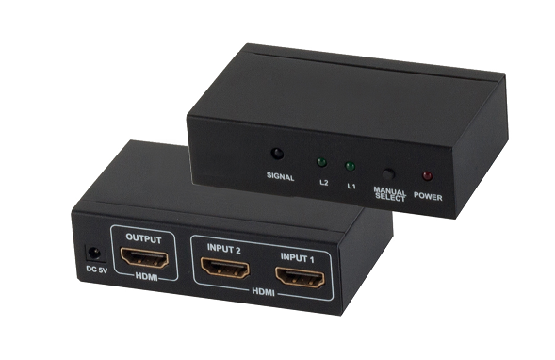

At this HDMI switch you can connect up to 2 HDMI signals.
Use the switch button to select the desired signal, that you
would like to have transferred to your display devices.
This switch supports resolutions up to
4K/30Hz or 1080p with 3D.
· Connections: 2x HDMI-A jack (input) 1x HDMI-A jack (output)
· Resolution: up to 4K (30Hz), 1080p (3D)
· Supports color sampling in 4:2:2 and 4:2:0 format
· Supports: HDCP 1.4, CEC, 3D
· HDMI Version: High Speed with Ethernet (HDMI 1.4)
· Backwards compatible: to all HDMI standards
· Maximum bandwidth: 10.2 Gbps
· Max. cable length input: 10m with 28AAWG (for 4K30Hz)
· Max. cable length output: 10m with 28AWG (for 4K30Hz)
· Energy use: maximum 2W
· Housing material: metal
· Color: black
Package Contents:
· HDMI Switch (2xIN - 1xOUT)
· 5V Power Supply
· IR Remote (battery not included, CR2025)
· User Manual

1 | CONNECTORS | HDMI-A 2x IN – 1x OUT

2 | MOLDING | METAL, ALU COVER

3 | HDMI VERSION | 1.4, 10.2GBPS (340 MHZ × 8 BIT × 3 TMDS LANES) ~ 8.16GBPS

NO | PART NAME
 |  |  |  |  |  | DESCRIPTION |  |  | HDMI SWITCH 2x IN – 1x OUT, 4K2K

 |  |  |  |  |  | SIZE | A4 | DATE |  | 04.02.2022 |  | CHECKED |  | TOL | 05-02002
 |  |  |  |  |  | UNIT | MM | DRAWN |  | SIM |  | APPROVED
 |  |  |  |  |  | CUSTOM TARIF NO.: 85176200000

210mm
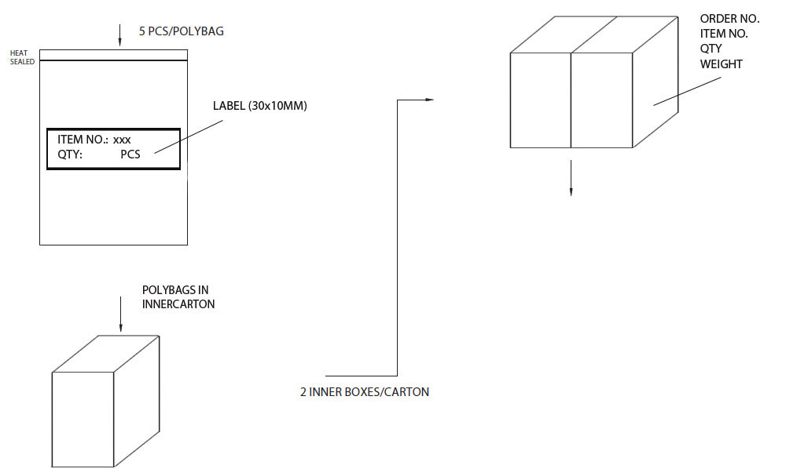
xx pcs in polybag
1 pcs in giftbox
 |  |  |  |  |  |  |  |  |  |  |  |  | REVISED |  |  | DR | APP
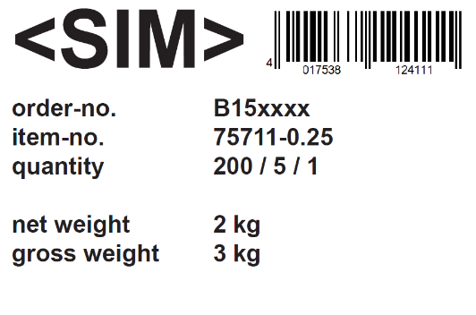
Label 50mmx25mm - removeable
xxx
140mm
xxxxxx

xxx/xxx/x

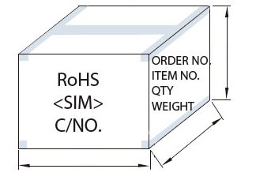

max 500mm
 |  |  |  |  |  |  |  |  |  |  | Note: | Connectors must be Inside Cable Rolling

fix 380mm mm
fix 290mm mm
 |  |  |  |  |  |  |  |  |  |  |  | Only use strong Cartons with printed letters
 |  |  |  |  |  |  |  |  |  |  |  | Handwritten not allowed !!!
 |  |  |  |  |  |  |  |  | Max. 15 kg.

 | ART.NO. |  | LENGTH | ROLLING SIZE | NET.WEIGHT (g) |  |  | PACKING |  |  |  |  | EAN CODE
 | 05-02002 |  | x | 175x115x55mm | 284g |  |  | 40 EXP / 20 INNER - 1 pcs in giftbox |  |  |  |  | 4017538070265

 |  |  |  |  |  | DESCRIPTION |  |  | HDMI SWITCH 2x IN – 1x OUT, 4K2K

 |  |  |  |  |  | SIZE | A4 | DATE |  | 04.02.2022 |  | CHECKED |  | TOL | 05-02002
 |  |  |  |  |  | UNIT | MM | DRAWN |  | SIM |  | APPROVED
 |  |  |  |  |  | CUSTOM TARIF NO.: 85176200000

